OVERVIEW
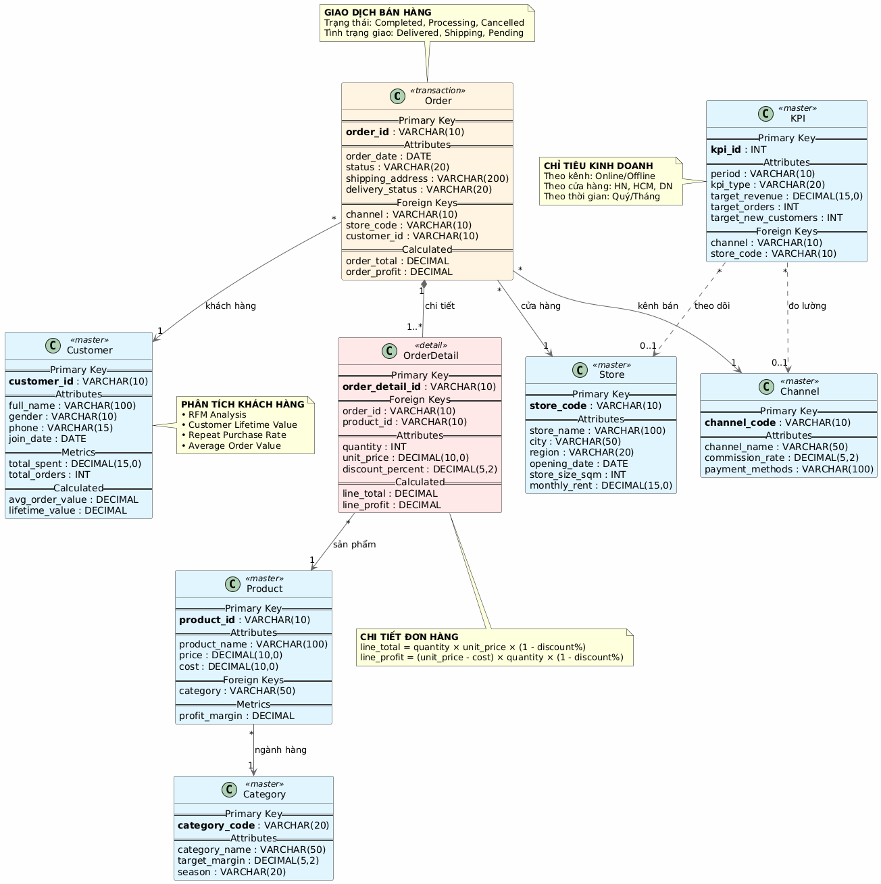
Docs
 | https://transform.sg.larksuite.com/wiki/UWPuwJYOSil8bdkW8PDlEIGmgB2?from=from_copylink
Data structure

